Assy BOM
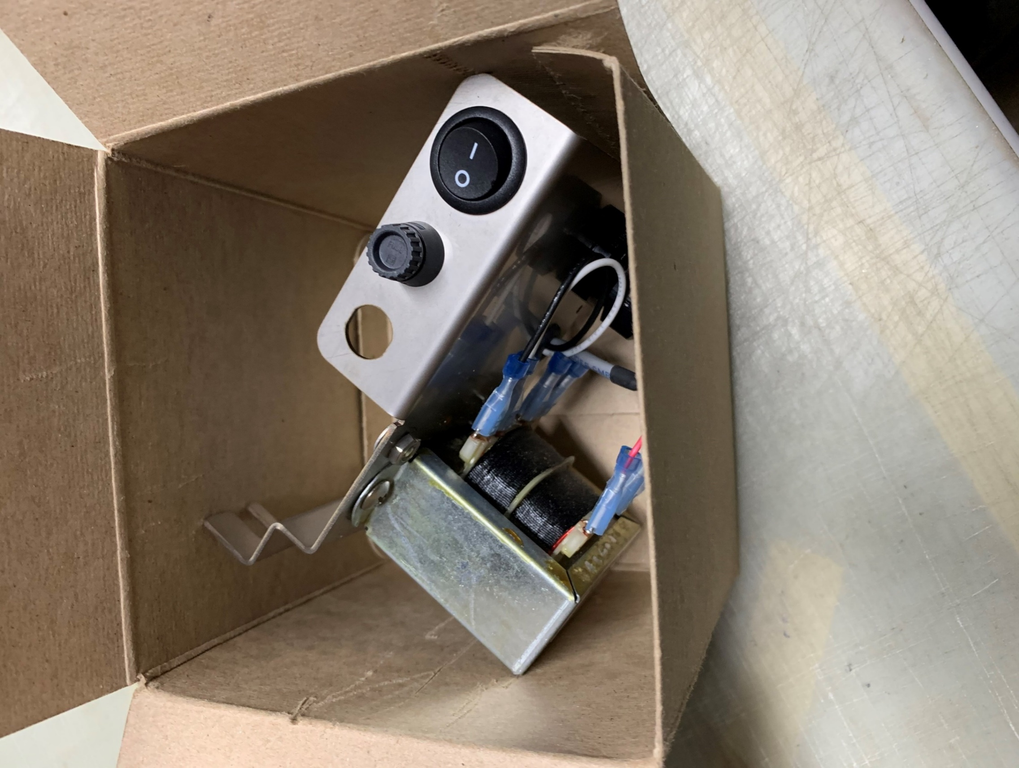
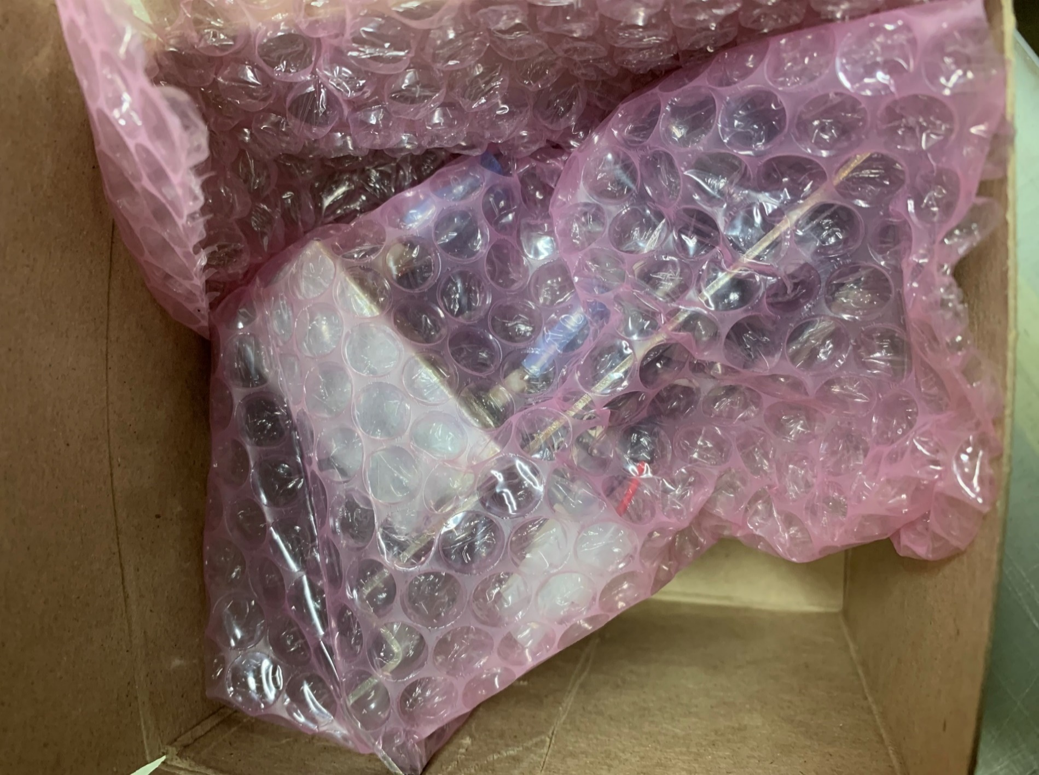
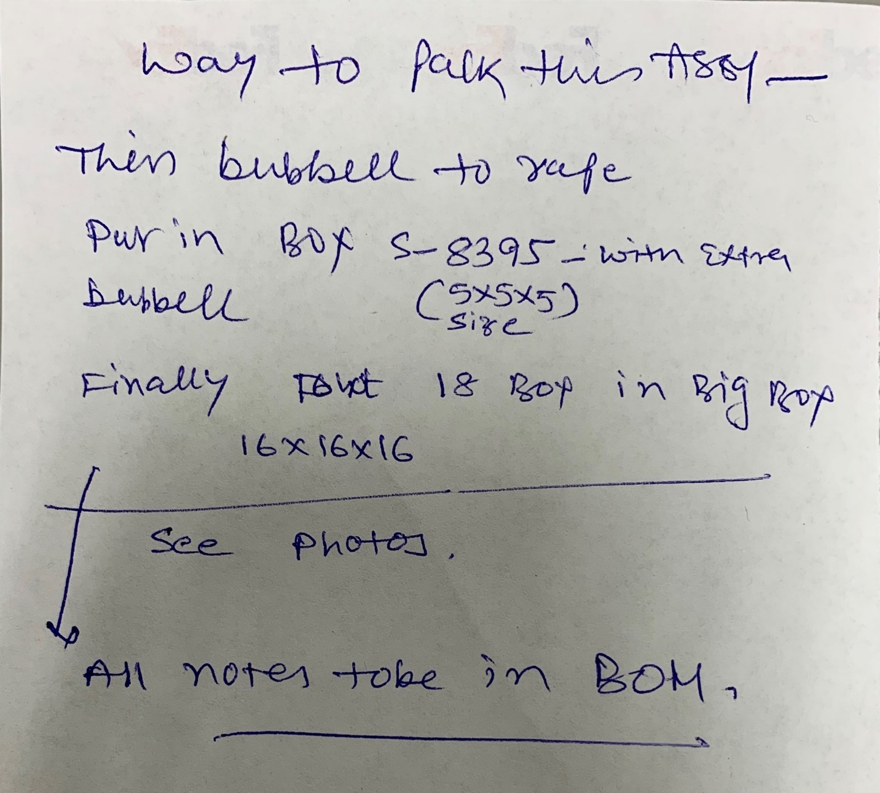
BOM FOR ASSEMBLY |  |  |  |  |  |  |  |  | Referral: | 0
 |  |  |  |  |  |  |  |  |  |  |  | Notes for Purchasing
Job #: | 7942 | Cust | Boon Edam |  |  | "POU LEGEND" "Not Installed (DNI)" "Top & Back(SMT)" "HAND Place (HP)" "SLIDE & WAVE (PTH)" "Hand Solder (HS)" "Final Assembly (FA)" "Pack" "Cable Assm (CA)"
Job Rev: | U | Cust P/N | 50011018-1P1
Last Rev: | 2023-09-15 | Cust Rev: | G

Notes: | Part Supply:ACI <Tin Lead/Water Soluble> |  |  |  |  |  |  |  |  |  |  | PER ASSY COST TO PURCHASE |  |  | 0.000
 |  |  |  |  |  |  |  |  |  |  |  | TOTAL PURCHASE COST |  |  | 0.000
 |  |  |  |  |  |  |  | Build Qty
Line | DESC | MAN | MPN | ACI PN | QTY | POU | LOC | 160 | STK | ORD | ORDD | PAID | DIST | PO | DUE | REC | NOTES | purchasing notes | vendor p/n | cust p/n
1 | SECONDARY ELECTRIC PLATE (SEE SHEET 1 DRAWING) | custom | 32038 | 7942-1 | 1 | FA | 1 | 24.180 |  | 160 |  |  |  |  |  | CUSTOM PART - QC IMMEDIATELY
2 | SILKSCREEN FOR SECONDARY ELECTRIC PLATE (SEE SHEET 1 DRAWING) | ACI | ACI | 7942-2 | 1 | FA | 1.1 | 0.000
3 | TRANSFORMER, 110/220VAC XFRMR (** UNUSED LEADS TO BE COVERED WITH INSULATED TERMINALS FROM LINE 15 SEE SHEET 1 DRAWING LEADS B,D AND E ARE TO BE INSULATED.) | Bel/Signal Transformer | DP-241-7-20 | 7942-3 | 1 | PTH | 2 | 14.290 |  | 160
4 | CABLE GLAND W/NUT (SEE SHEET 1 DRAWING) | Heyco | 3200 | 7942-4 | 1 | CA | 3 | 0.880 |  | 165
5 | MAINS POWER SWITCH (SEE SHEET 1 DRAWING) | Cherry | RRA32H3FBBNN | 7942-5 | 1 | FA | 4 | 1.010 |  | 163
6 | FUSEHOLDER, L2 | Shurter | 3101.0115 | 7942-6 | 1 | FA | 5 | 3.190 |  | 161
7 | TERMINAL BOARD, 3 POSITION, EURO STYLE (SEE 1P1 DRAWING) | TYCO | 1776293-3 | 7942-7 | 1 | CA | 6 | 1.260 |  | 163
8 | CROSS RECESSED FILLISTER HEAD MACHINE 4-40 X 7/16 SCREW - TYPE I (SEE 1P1 DRAWING) | Mcmaster-Carr | 91737A084 | 7942-8 | 2 | FA | 1-2 | 0.150 |  | 345
8 | ZSUB FOR ABOVE | HI-TECH | 0407MPL-22 | 7942-8 |  | FA | 1-2 |  |  | 0
9 | CROSS RECESSED TRUSS HEAD MACHINE 8-23 X 1/4 SCREW - TYPE I (SEE 1P1 DRAWING) | Mcmaster-Carr | 91770A190 | 7942-9 | 3 | FA | seesample1-3 | 0.150 |  | 505
9 | ZSUB FOR ABOVE | HI-TECH | 0804MPT-SS | 7942-9 |  | FA | seesample1-3 |  |  | 0
10 | HEX MACHINE SCREW NUT (SEE 1P1 DRAWING) | Mcmaster-Carr | 90480A009 | 7942-10 | 3 | FA | seesample1-3 | 0.100 |  | 505
10 | ZSUB FOR ABOVE | HI-TECH | 08NH-SS | 7942-10 |  | FA | seesample1-3 |  |  | 0
13 | FUSE. 2.5A, 250VAC (SEE 1P1 DRAWING) | LITTELFUSE | 023902.5MXP | 7942-13 | 1 | FA | XF1 | 0.395 |  | 175
14 | GROMMET (SEE 1P1 DRAWING) | KEYSTONE | 739 | 7942-14 | 1 | FA | 13 | 0.100 |  | 185 |  |  |  |  |  |  |  | FUTURE ELECTRONICS
15 | ISO W012 - ELECTRICAL SHOCK / ELECTROCUTION SIZE: 0.75" X 0.84" PART #: PA-0.75X0.84-T • HTC CODE: 4821.10.00.00 (1.25" X 1.397" VINYL LABELS SEE SHEET 1 DRAWING, OKAY TO USE BOTH SIZES 0.75" X 0.84" AND 1.25"X 1.397") | MySafety Label | LB-0012 | 7942-15 | 1 | FA | 14 | 1.350 |  | 163
16 | #14-16 AWG TERMINAL, QUICK CONNECT, INSULATED, .020 X .187 TAB WIDTH (SEE SHEET 1 DRAWING, USE ITEM 30 FOR TOOLING) | TYCO | 3-520402-2 | 7942-16 | 9 | PTH | FUSE1-2, XFORMER1-7 | 1.350 |  | 1443
17 | #8 STAR WASHER FOR RING TERM (SEE SHEET 1 DRAWING 1) | Mcmaster-Carr | 91757A105 | 7942-17 | 1 | FA | SeeDrawing1 | 0.050 |  | 192
20 | WIRE BLACK 16GA UL1061 13.5" (CUT 1X7" CUT 1X3" CUT 1X3.5" SEGMENTS STRIP LENGTH .15" @ X1 SEE 1P1 DRAWING TIN LEAD BEFORE INSTALLING INTO X1) | Anixter | 1061-16/26-0 | 7942-20 | 1 | CA | SEEP1PDWGX1 | 0.150 |  | 185
20 | ZSUB FOR ABOVE | Anixter | 1061-16/19-0 | 7942-20 |  | CA | SEEP1PDWGX1 |  |  | 0
21 | WIRE WHITE 16GA UL1061 14.5" (CUT 1 7" CUT 1 4.5" SEGMENTS. STRIP LENGTH @ X1 .15" SEE 1P1 DRAWING TIN LEAD BEFORE INSTALLING INTO X1) | Anixter | 1061-16/26-9 | 7942-21 | 1 | CA | SEEP1PDWGX1 | 0.150 |  | 185
21 | ZSUB FOR ABOVE | Anixter | 1061-16/19-9 | 7942-21 |  | CA | SEEP1PDWGX1 |  |  | 0
23 | STRAIN RELIEF LOCKNUT (SEE SHEET 1 DRAWING) | Heyco | 8463 | 7942-23 | 1 | FA | 1P1 | 0.013 |  | 260
24 | SECONDARY ELECTRIC PLATE POWER CABLE ASSEMBLY - (50010997 COMPONENTS LISTED BELOW **SEE DRAWING BELOW** SHEET 1P1) | ACI | 50010997 | 7942-24 | 1 | CA | Item1 | 0.000
25 | 2 POS CONN (SHEET 3) | MOLEX | 0019091029 | 7942-25 | 1 | FA | ITEM1 | 0.443 |  | 175
26 | TERM FEMALE (SHEET 3, USE ITEM 31 FOR TOOLING) | MOLEX | 0002091104 | 7942-26 | 2 | FA | ITEM2,X2 | 0.443 |  | 335
27 | HEAT SHRINK TUBING 3/16" X 1" BLK (SHEET 3) | Qualtek | Q5-3X-3/16-01-QB48IN-25 | 7942-27 | 2 | CA | ITEM3,X2 | 0.005 |  | 420
28 | CABLE 18AWG, 2 COND (4.75" +/- .125 - SHEET 3) | BELDEN | 5300FE008500 | 7942-28 | 1 | CA | ITEM4 | 0.165 |  | 185
28 | ZSUB FOR ABOVE | BELDEN | 5300FE0081000 | 7942-28 | 1 | PTH | ITEM4 | 0.165 |  | 185
30 | TOOL FOR ITEM 16,32 (SHEET 1) | ACI | CR102 | 7942-30 | 0 | TOOL | USEONITEM16,32 | 0.000 |  | 0
31 | TOOL FOR ITEM 26 (SHEET 3) | ACI | CR075 | 7942-31 | 0 | TOOL | USEONITEM26 | 1.000 |  | 0
32 | #14-16 AWG TERMINAL, QUICK CONNECT, INSULATED, .032 X .187 TAB WIDTH (FOR USE ON MAIN POWER SWITCH ONLY, USE ITEM 30 FOR TOOLING) | TYCO | 3-520412-2 | 7942-32 | 4 | PTH | Item4teriminal1, terminal2, Item4teriminal3, terminal4 | 1.350 |  | 643
35 | POT DRIVER TOOL ACI SP016 (USE ON L1,L2,GND @ X1 HAND TIGHTEN) | Pheoinx Contact | SZS.4X.251205037 | 7942-35 | 0 | TOOL | Use_On Item 7 | 0.000 |  | 0
40 | 5X5X5 KRAFT TUCK CARTON (SEE PACKING PICTURES) | Uline | S8395 | 7942-40 | 1 | PACK | Unit | 0.480 |  | 175
45 | 3/16 BUBBLE WRAP 24"X8" STRIP (SEE PACKING PICTURES) | Uline | S13054 | 7942-45 | 1 | PACK | Unit | 0.170 |  | 185
50 | TOOL FOR ITEM 12 | ACI | CR063 | 7942-50 | 0 | TOOL | ITEM12 | 0.000 |  | 0

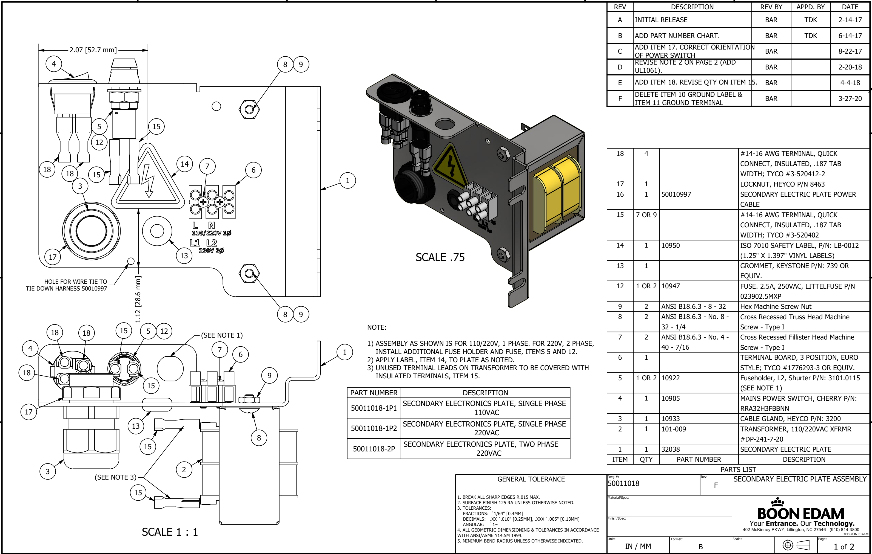

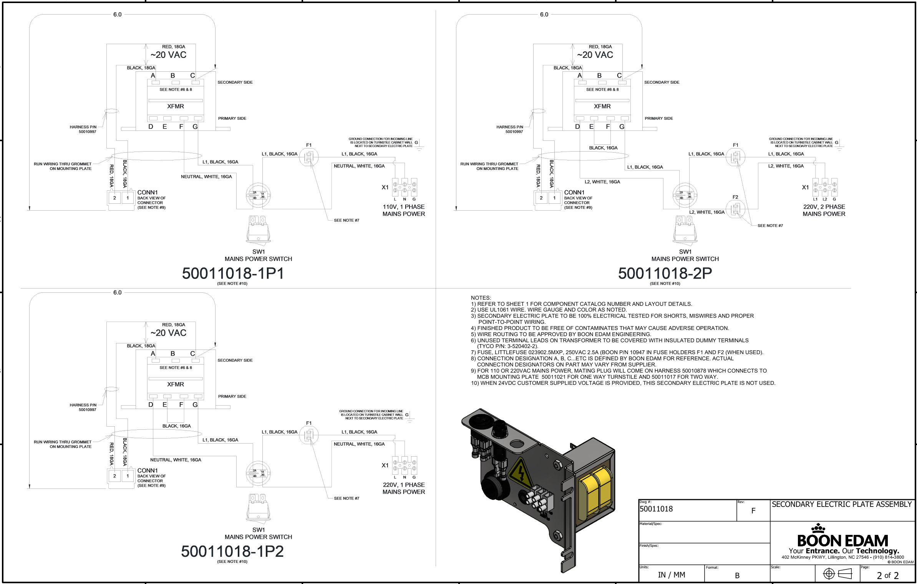
TIN WIRE L, N and G
before installing into X1
Drawing 2
1P2 Drawing
TIN WIRE L, N and G
before installing into X1
TIN WIRE L, N and G
before installing into X1

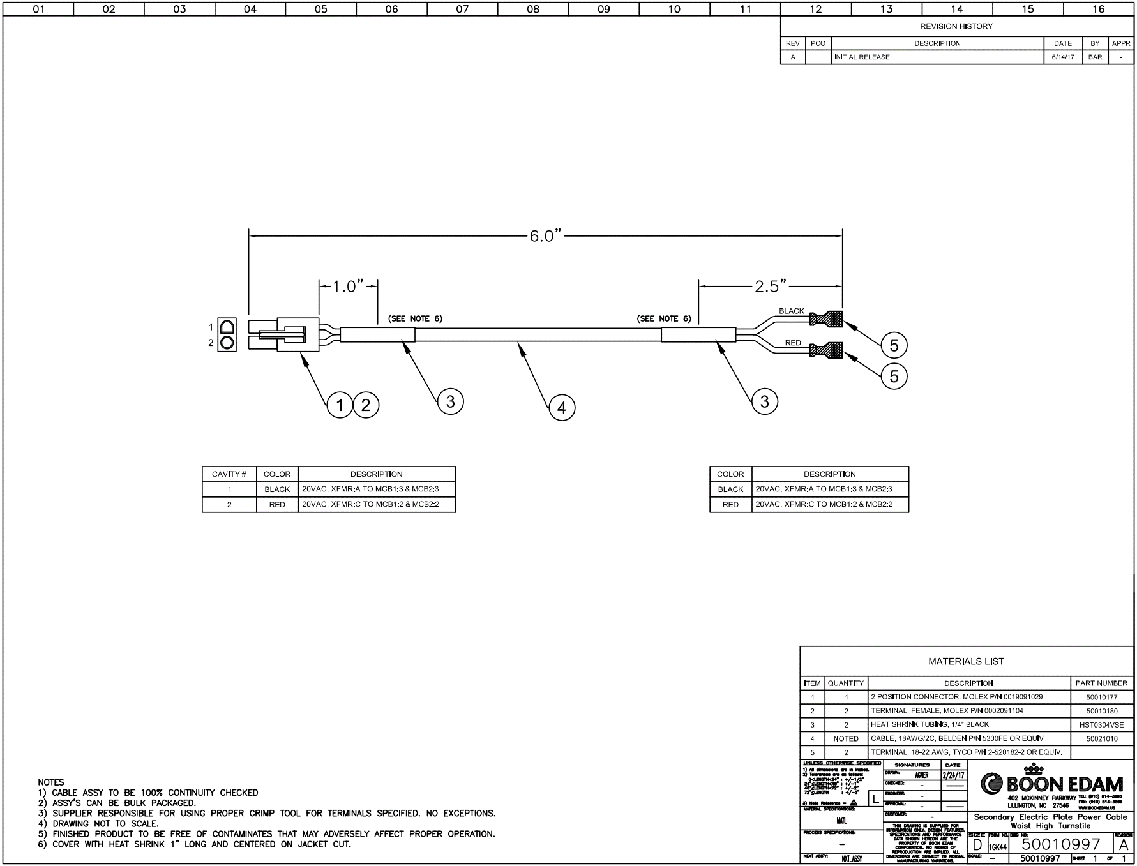
2P Drawing
Sheet 3

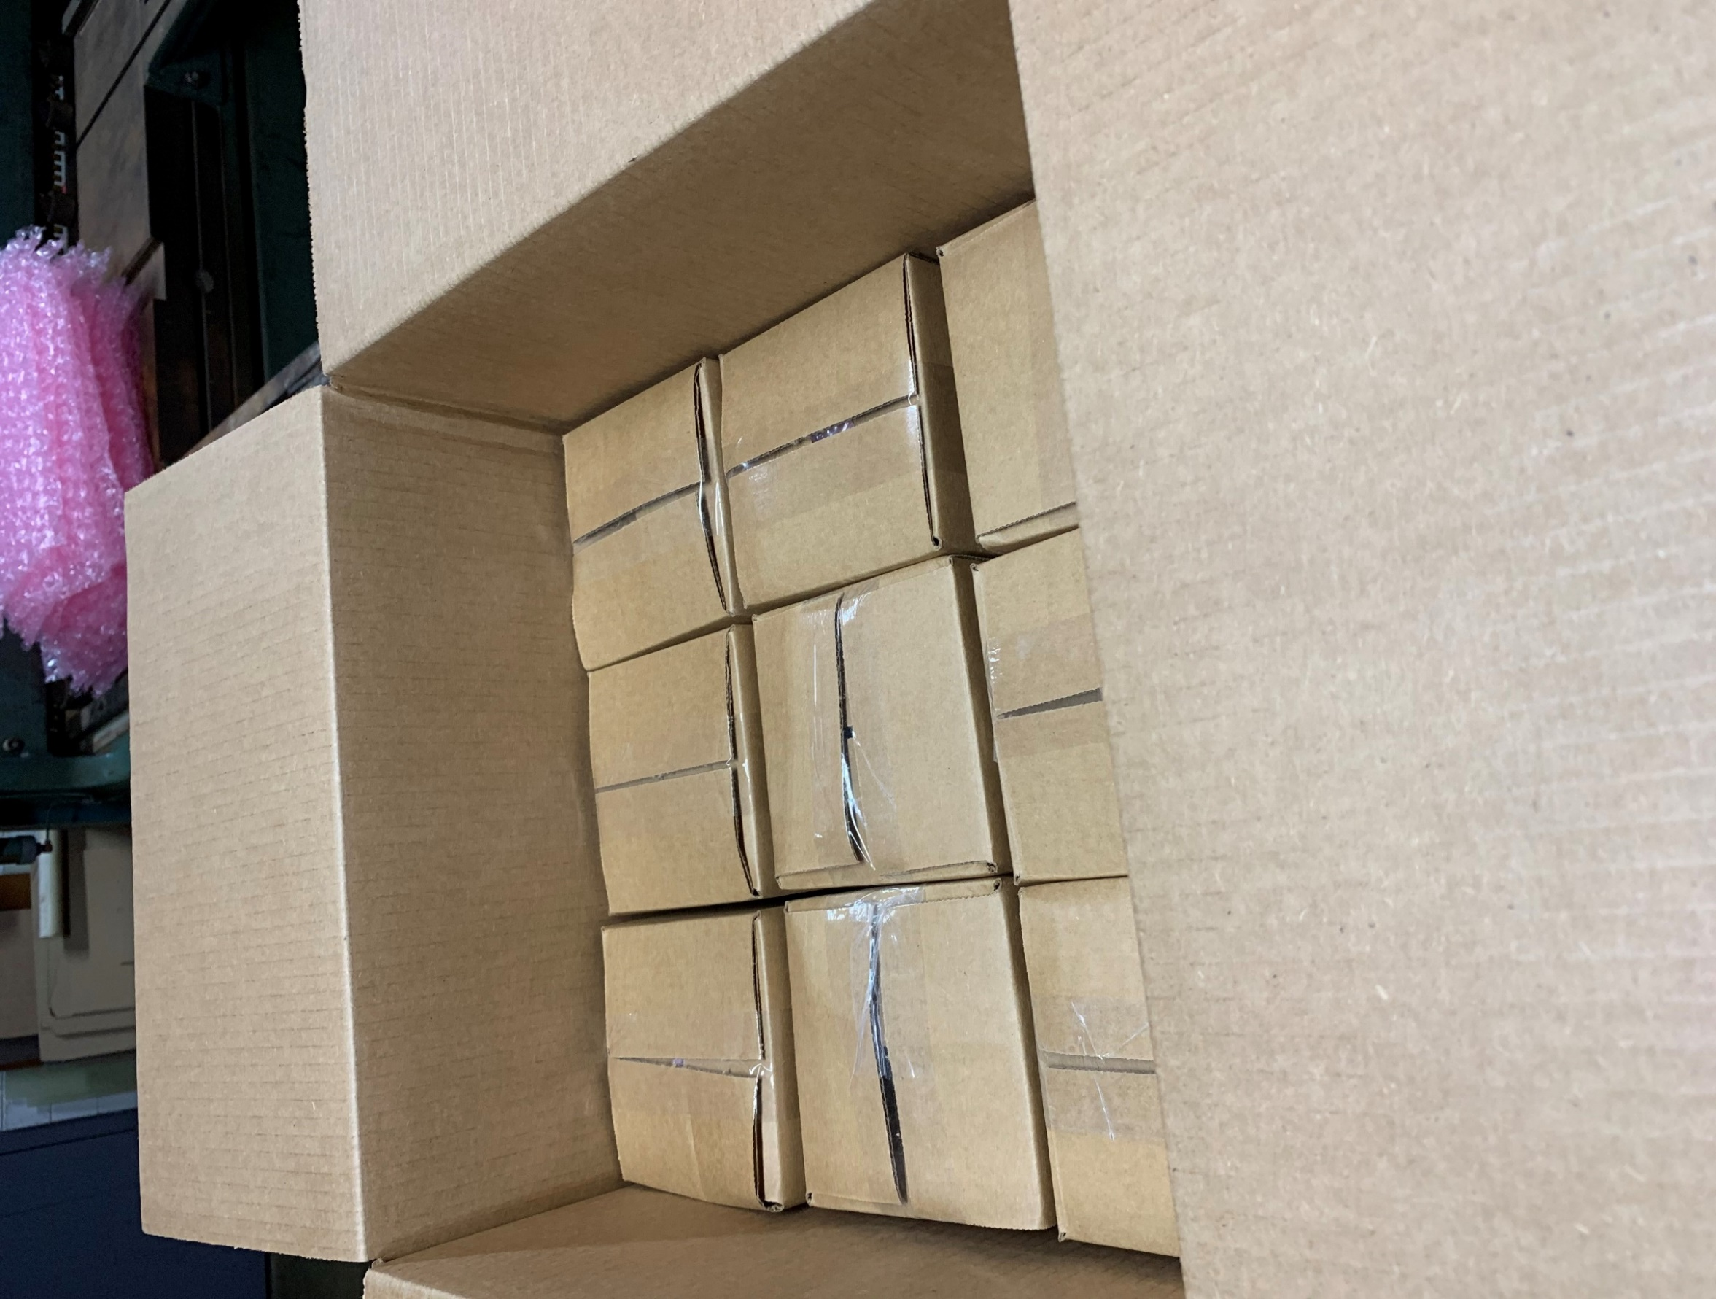
3x3x2

